Sheet1
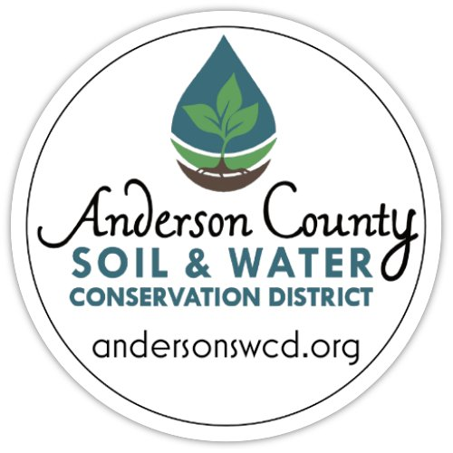
PROGRAM/PROJECT BUDGET for ASWCD Environmental Mini-Grant (Up to $1,500)

THIS IS THE PREFERRED BUDGET FORM. IF AN ALTERNATE FORM IS USED, PLEASE BE SURE TO INCLUDE ALL INCOME AND EXPENSE ITEMS.
AMOUNTS SHOULD MATCH THE FUNDING OUTLINED ON THE GRANT APPLICATION.

Enter your name or organization's name here:
Projected Total Program/Project Amount:
Total Grant Amount Requested:

Please enter the income and expenses related to the program/project for which you are requesting funding.
INCOME: Please enter other Funding Sources for this Program/Project. Be specific. If funding is pending, note expected notification date.
Funding Sources (including in-kind donations) | Amount Requested/Received | Status of Funding (Pending or Committed?) | Explanatory Notes (Optional)

Total Income | $- | $-
EXPENSES: Please itemize expenses for the total program/project amount, listing the total cost of each item and the amount requested from ASWCD.
Expense Items Specify items. | Item Cost | Amount Requested from ASWCD grant program | Explanatory Notes (Optional)

Total Expenses | $- | $-

